Migration numbers
https://publications.iom.int/system/files/pdf/wmr_2020.pdf
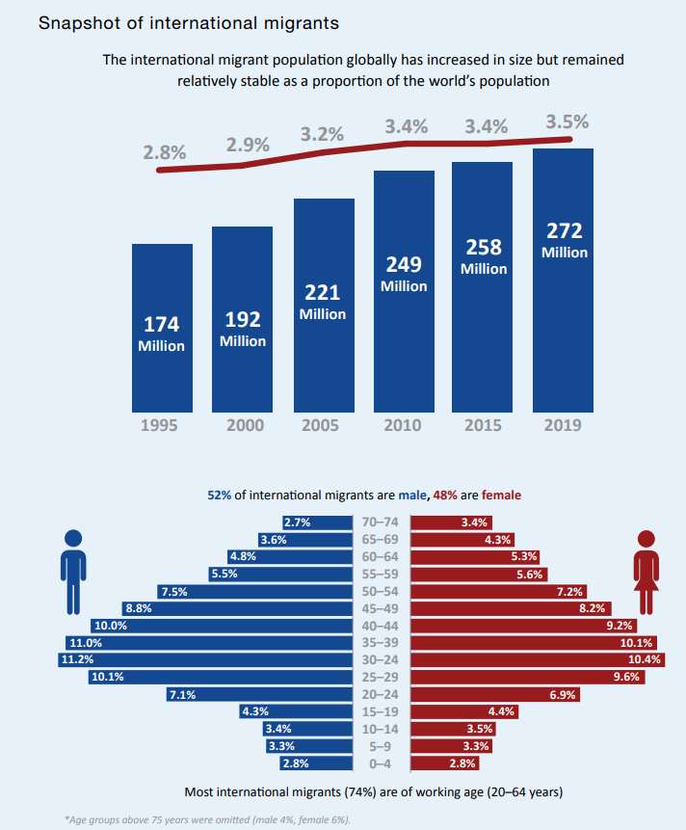
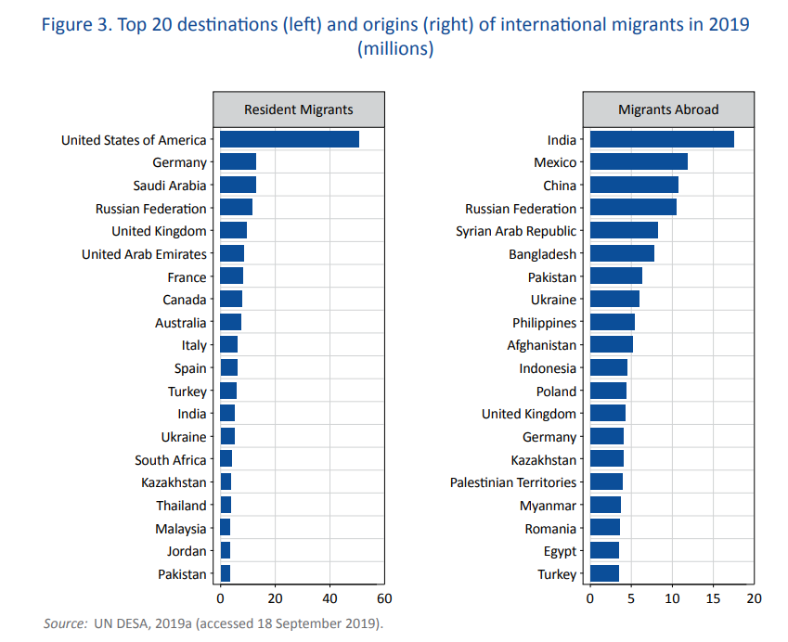

 | More than 40% of all international migrants worldwide in 2019 were born in Asia

Figures
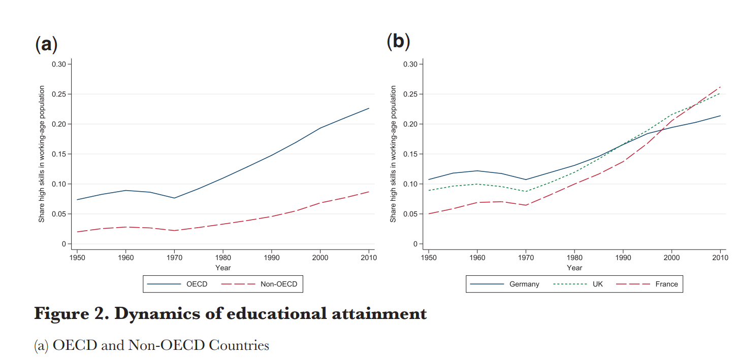
Same graph with South Asian Countries

